Sheet1
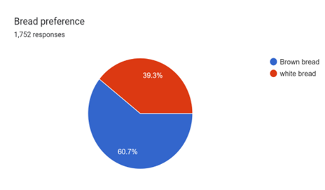
Find the probability that in a random sample of 9, | n | 9
(a) exactly 5 will prefer brown bread, | p | 0.607
(b) at least 7 will prefer brown bread,
(c) at most 8 will prefer brown bread,
(d) Find the mean and variance.

